Sheet1
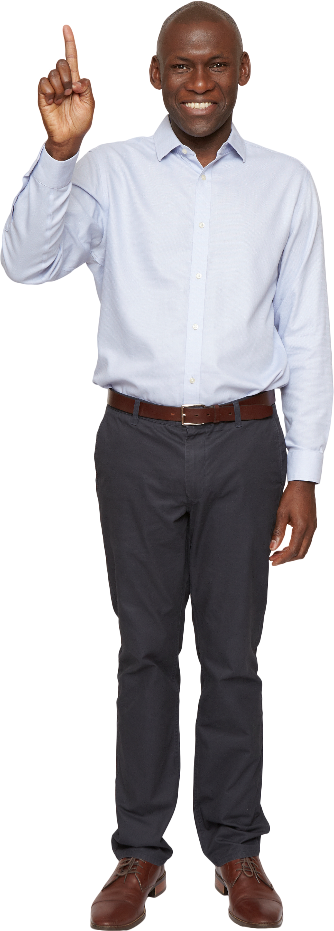
Sentences | Answer Expected | Formula Solution | Python Solution
Madam made a kayak journey in a racecar | Madam, Kayak, Racecar | Madam, Kayak, Racecar | Madam, Kayak, Racecar
A Santa at NASA saw a radar and met Otto | Radar, Otto | Radar, Otto | Radar, Otto
Evil is a name of the fool
No lemon, no melon, and no deed is denied | Deed | Deed | Deed
Tenet, level, and civic cars race, drawing an arc | Tenet, Level, Civic | Tenet, Level, Civic | Tenet, Level, Civic
Anna, Hannah, and rotator know | Anna, Hannah, Rotator | Anna, Hannah, Rotator | Anna, Hannah, Rotator
Too hot in the noon and he suffers from aibohphobia | Noon, Aibohphobia | Noon, Aibohphobia | Noon, Aibohphobia
Nod when you see me and kayak to hut | Kayak | Kayak | Kayak
Red roses run, no spur of the moment, Hannah said wow | Hannah, Wow | Hannah, Wow | Hannah, Wow

A Palindrome word is that which is same even when read backward. For ex. - Bob
Find all Palindrome words in given sentences.

